loan_amnt
Description | The listed amount of the loan applied for by the borrower. If at some point in time, the credit department reduces the loan amount, then it will be reflected in this value. |  |  |  |  | Analyst input
 |  |  |  |  |  | 1. The column values has a right skewed distribution with multiple peaks. 2. The column has outliers which neednot be treated since outliers has relevant information

level_0 | loan_status | 0 | level_0 | loan_status | 0
count | Charged Off | 268559 | count | Fully Paid | 1076751 | Analyst suggestion
mean | Charged Off | 15565.055444 | mean | Fully Paid | 14134.369808 | 1. Transform the data using box_cox transformation. 2. Develop a categorical feature based on the %ile distribution of loan_amnt column 3. This variable can be used both for clustering and prediction models
std | Charged Off | 8814.560077 | std | Fully Paid | 8669.0289732
min | Charged Off | 900 | min | Fully Paid | 500
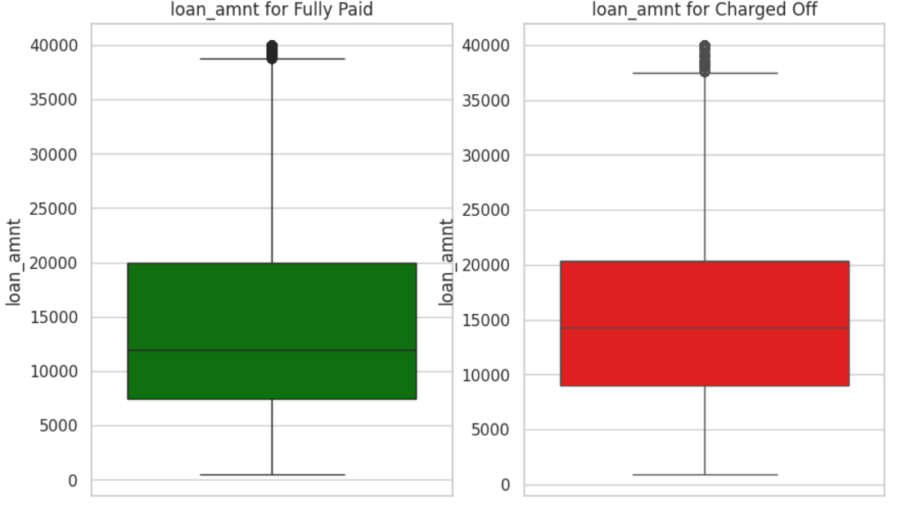
0% | Charged Off | 900 | 0% | Fully Paid | 500
25% | Charged Off | 9000 | 25% | Fully Paid | 7500
50% | Charged Off | 14350 | 50% | Fully Paid | 12000
75% | Charged Off | 20400 | 75% | Fully Paid | 20000 |  | Percentile distribution of the column
100% | Charged Off | 40000 | 100% | Fully Paid | 40000
max | Charged Off | 40000 | max | Fully Paid | 40000 |  | Percentile | Value | Difference | Buckets
median | Charged Off | 14350 | median | Fully Paid | 12000 |  | 0 | 500 | NaN | Low
 |  |  |  |  |  |  | 5 | 3200 | 2700 | Medium
 |  |  |  |  |  |  | 10 | 5000 | 1800
 |  |  |  |  |  |  | 15 | 5650 | 650
 |  |  |  |  |  |  | 20 | 6500 | 850
 |  |  |  |  |  |  | 25 | 8000 | 1500
 |  |  |  |  |  |  | 30 | 8700 | 700
 |  |  |  |  |  |  | 35 | 10000 | 1300
 |  |  |  |  |  |  | 40 | 10000 | 0
 |  |  |  |  |  |  | 45 | 11575 | 1575
 |  |  |  |  |  |  | 50 | 12000 | 425
 |  |  |  |  |  |  | 55 | 14000 | 2000 | High
 |  |  |  |  |  |  | 60 | 15000 | 1000
 |  |  |  |  |  |  | 65 | 16000 | 1000
 |  |  |  |  |  |  | 70 | 18000 | 2000
 |  |  |  |  |  |  | 75 | 20000 | 2000
 |  |  |  |  |  |  | 80 | 21000 | 1000
 |  |  |  |  |  |  | 85 | 24000 | 3000
 |  |  |  |  |  |  | 90 | 28000 | 4000 | Very High
 |  |  |  |  |  |  | 95 | 32875 | 4875
 |  |  |  |  |  |  | 96 | 35000 | 2125
 |  |  |  |  |  |  | 96.5 | 35000 | 0
 |  |  |  |  |  |  | 97 | 35000 | 0
 |  |  |  |  |  |  | 97.5 | 35000 | 0
 |  |  |  |  |  |  | 98 | 35000 | 0
 |  |  |  |  |  |  | 98.5 | 35000 | 0
 |  |  |  |  |  |  | 99 | 35000 | 0
 |  |  |  |  |  |  | 99.5 | 40000 | 5000
 |  |  |  |  |  |  | 100 | 40000 | 0

funded_amnt
Description | The total amount committed to that loan at that point in time. |  |  |  |  | Analyst input
 |  |  |  |  |  | 1. The column values has a right skewed distribution with multiple peaks. 2. The column has some outliers. 3. High correlation between 2 features loan_amnt and funded_amnt.

 |  |  |  |  |  | Analyst suggestion
level_0 | loan_status | 0 | level_0 | loan_status | 0 | Because of high positive correlation between loan_amnt and funded_amnt, drop this column
count | Charged Off | 268559 | count | Fully Paid | 1076751
mean | Charged Off | 15557.059808 | mean | Fully Paid | 14125.849732
std | Charged Off | 8810.9867346 | std | Fully Paid | 8664.9768627
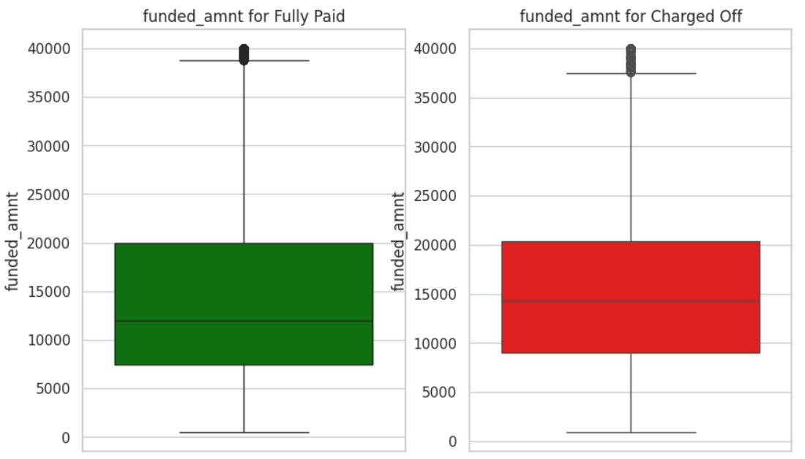
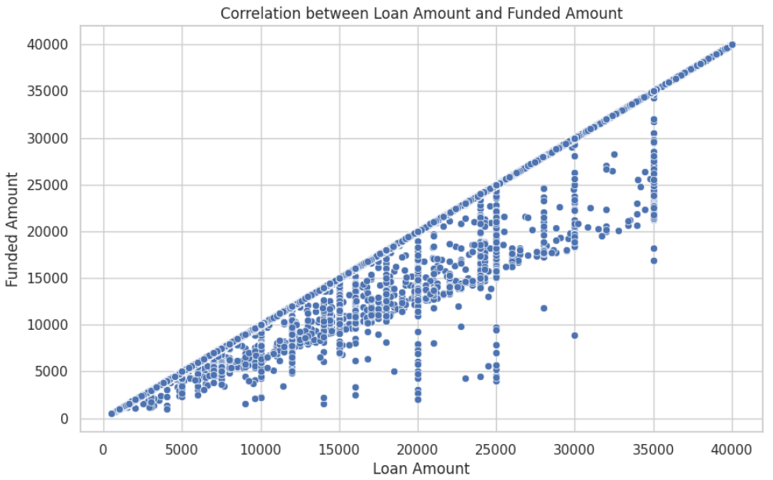
min | Charged Off | 900 | min | Fully Paid | 500
0% | Charged Off | 900 | 0% | Fully Paid | 500
25% | Charged Off | 9000 | 25% | Fully Paid | 7500
50% | Charged Off | 14325 | 50% | Fully Paid | 12000
75% | Charged Off | 20400 | 75% | Fully Paid | 20000
100% | Charged Off | 40000 | 100% | Fully Paid | 40000
max | Charged Off | 40000 | max | Fully Paid | 40000
median | Charged Off | 14325 | median | Fully Paid | 12000

funded_amnt_inv
Description | The total amount committed by investors for that loan at that point in time. |  |  |  |  | Analyst input
 |  |  |  |  |  | 1. The column values has a right skewed distribution with multiple peaks. 2. The column has some outliers. 3. These 2 variables are not fully corellated. The loan_amnt applied by customer and the amount committed to customers by investors are different in many cases.

level_0 | loan_status | 0 | level_0 | loan_status | 0
count | Charged Off | 268559 | count | Fully Paid | 1076751
mean | Charged Off | 15531.253071 | mean | Fully Paid | 14104.280646
std | Charged Off | 8814.7314766 | std | Fully Paid | 8667.151787 | Analyst suggestion
min | Charged Off | 0 | min | Fully Paid | 0 | 1. Transform the data using box_cox transformation. 2. This variable can be used both for clustering and prediction models
0% | Charged Off | 0 | 0% | Fully Paid | 0
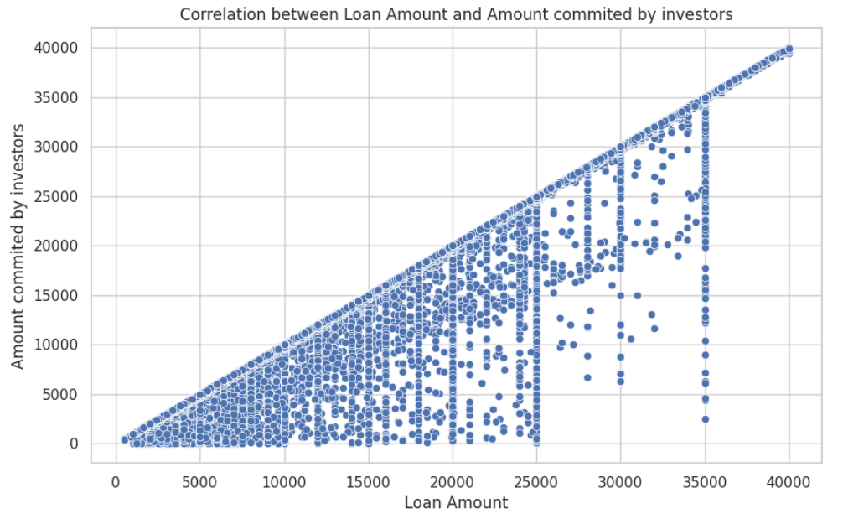
25% | Charged Off | 9000 | 25% | Fully Paid | 7500
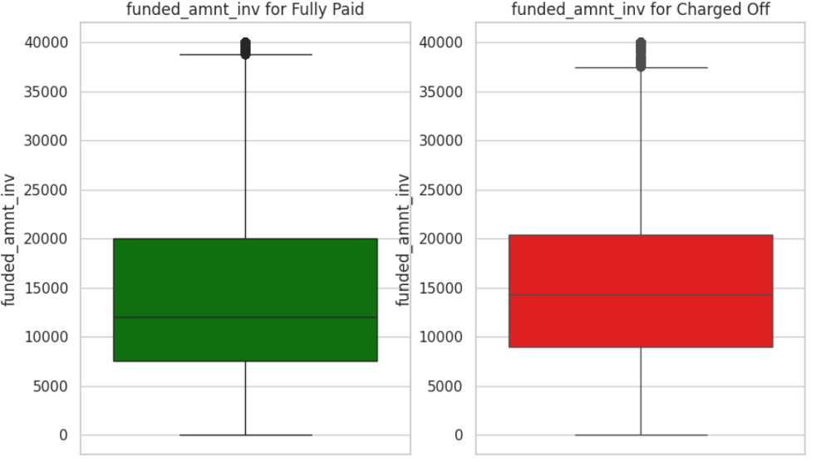
50% | Charged Off | 14250 | 50% | Fully Paid | 12000
75% | Charged Off | 20375 | 75% | Fully Paid | 20000
100% | Charged Off | 40000 | 100% | Fully Paid | 40000
max | Charged Off | 40000 | max | Fully Paid | 40000
median | Charged Off | 14250 | median | Fully Paid | 12000

term
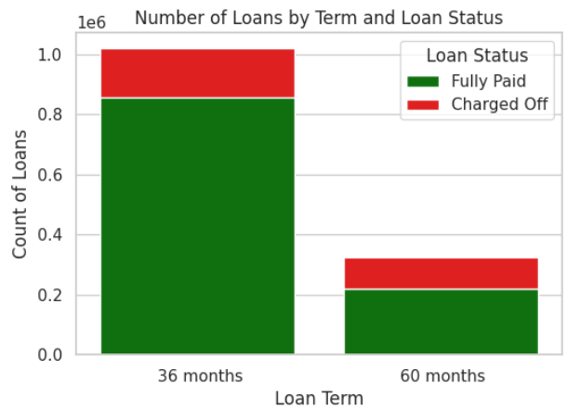
Description | The number of payments on the loan. Values are in months and can be either 36 or 60. |  | Analyst input
 |  |  | 1. The variable term is significant to determine if the borrower will have problem with paying the monthly EMI

 |  |  | Analyst suggestion
 |  |  | This variable can be used for prediction and clustering models.
term | loan_status | count
36 months | Fully Paid | 857491
60 months | Fully Paid | 219260
36 months | Charged Off | 163252
60 months | Charged Off | 105307

int_rate
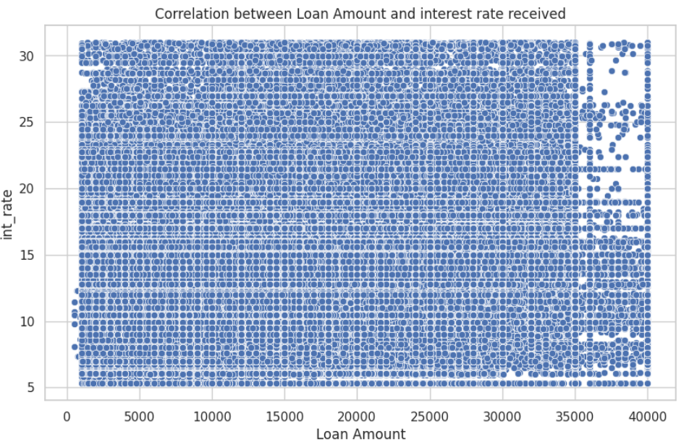
Description | Interest Rate on the loan |  |  |  |  | Analyst input
 |  |  |  |  |  | 1. The column values has a right skewed distribution with multiple peaks. 2. The column has some outliers. 3. The 2 variables: loan amount and interest rate are not corelated. 4. The % distribution of charged off loans rises with the rise of interest rates. Buckets of interest rates with difference of 5 % is created for the analysis. Further feature can be developed with such bins.

level_0 | loan_status | 0 | level_0 | loan_status | 0
count | Charged Off | 268559 | count | Fully Paid | 1076751
mean | Charged Off | 15.710713623 | mean | Fully Paid | 12.623288281
std | Charged Off | 4.9103869557 | std | Fully Paid | 4.5272273253
min | Charged Off | 5.31 | min | Fully Paid | 5.31 | Analyst suggestion
0% | Charged Off | 5.31 | 0% | Fully Paid | 5.31 | 1. Develop another feature as int_rate_bins. 2. Don’t drop the int_rate variable as well. Transform the variable using Box_cox transformation. While developing the model we can decide which one to drop and which one to keep.
25% | Charged Off | 12.29 | 25% | Fully Paid | 9.17
50% | Charged Off | 15.05 | 50% | Fully Paid | 12.23
75% | Charged Off | 18.55 | 75% | Fully Paid | 15.31
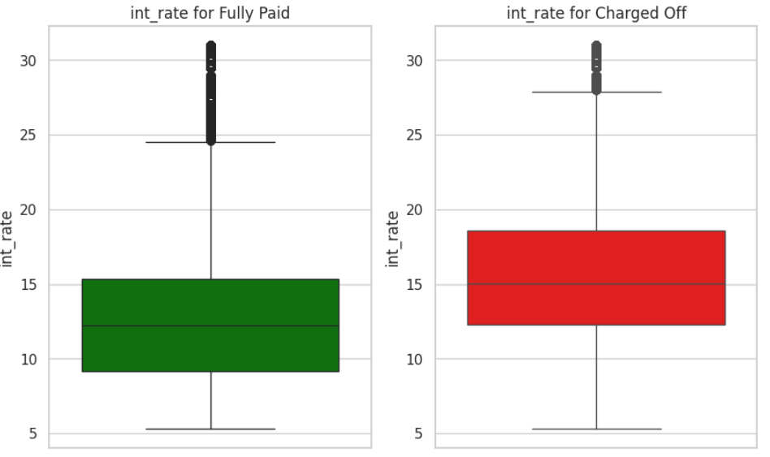
100% | Charged Off | 30.99 | 100% | Fully Paid | 30.99
max | Charged Off | 30.99 | max | Fully Paid | 30.99 |  | interest bins | Fully Paid | Charged Off | Fully paid % | Charged off %
median | Charged Off | 15.05 | median | Fully Paid | 12.23 |  | <=5% | - | - | - | -
 |  |  |  |  |  |  | >5% - <=10% | 344876 | 30657 | 91.84 | 8.16
 |  |  |  |  |  |  | >10% - <=15% | 450995 | 102966 | 81.41 | 18.59
 |  |  |  |  |  |  | >15% - <=20% | 217454 | 91238 | 70.44 | 29.56
 |  |  |  |  |  |  | >20% - >=25% | 49682 | 31111 | 61.49 | 38.51
 |  |  |  |  |  |  | >25% | 13744 | 12587 | 52.20 | 47.80

installment
Description | The monthly payment owed by the borrower if the loan originates. |  |  |  |  | Analyst input
 |  |  |  |  |  | 1. The column values has a right skewed distribution with multiple peaks. 2. The column has some outliers. 3. The 2 variables: loan amount and installment are not fully corelated.

level_0 | loan_status | 0 | level_0 | loan_status | 0
count | Charged Off | 268559 | count | Fully Paid | 1076751 | Analyst suggestion
mean | Charged Off | 465.14799392 | mean | Fully Paid | 431.32322618 | 1. Transform the data using box_cox transformation. 2. Develop a categorical feature based on the %ile distribution of installment column 3. This variable can be used both for clustering and prediction models
std | Charged Off | 262.77410558 | std | Fully Paid | 260.75956294
min | Charged Off | 21.62 | min | Fully Paid | 4.93
0% | Charged Off | 21.62 | 0% | Fully Paid | 4.93
25% | Charged Off | 275.29 | 25% | Fully Paid | 240.92
50% | Charged Off | 402.83 | 50% | Fully Paid | 368.26
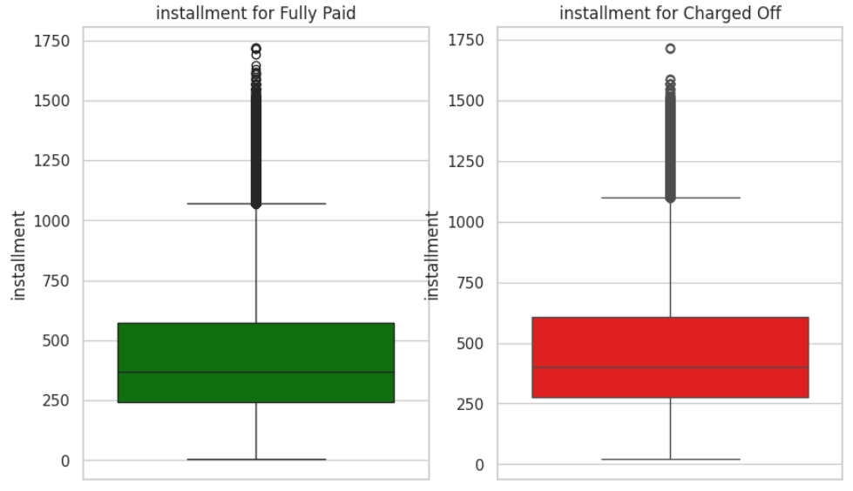
75% | Charged Off | 605.31 | 75% | Fully Paid | 573.06 |  | Percentile distribution of the column
100% | Charged Off | 1717.63 | 100% | Fully Paid | 1719.83
max | Charged Off | 1717.63 | max | Fully Paid | 1719.83 |  | Percentile | Value | Difference | Buckets
median | Charged Off | 402.83 | median | Fully Paid | 368.26 |  | 0 | 4.93 | NaN | Low
 |  |  |  |  |  |  | 5 | 108.73 | 103.8 | Medium
 |  |  |  |  |  |  | 10 | 157.59 | 48.86
 |  |  |  |  |  |  | 15 | 186.61 | 29.02
 |  |  |  |  |  |  | 20 | 216.83 | 30.22
 |  |  |  |  |  |  | 25 | 248.48 | 31.65
 |  |  |  |  |  |  | 30 | 273.3 | 24.82
 |  |  |  |  |  |  | 35 | 301.68 | 28.38
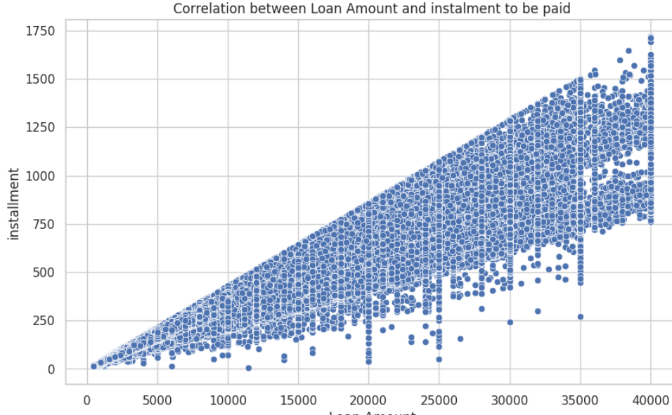
 |  |  |  |  |  |  | 40 | 324.61 | 22.93
 |  |  |  |  |  |  | 45 | 344.95 | 20.34
 |  |  |  |  |  |  | 50 | 375.43 | 30.48
 |  |  |  |  |  |  | 55 | 405.66 | 30.23
 |  |  |  |  |  |  | 60 | 451.73 | 46.07 | High
 |  |  |  |  |  |  | 65 | 487.49 | 35.76
 |  |  |  |  |  |  | 70 | 526.76 | 39.27
 |  |  |  |  |  |  | 75 | 580.73 | 53.97
 |  |  |  |  |  |  | 80 | 640.65 | 59.92
 |  |  |  |  |  |  | 85 | 707.7 | 67.05
 |  |  |  |  |  |  | 90 | 807.92 | 100.22 | Very High
 |  |  |  |  |  |  | 95 | 963.66 | 155.74
 |  |  |  |  |  |  | 96 | 1012.39 | 48.73
 |  |  |  |  |  |  | 96.5 | 1048.06185 | 35.67185
 |  |  |  |  |  |  | 97 | 1085.78 | 37.71815
 |  |  |  |  |  |  | 97.5 | 1115.6 | 29.82
 |  |  |  |  |  |  | 98 | 1153.67 | 38.07
 |  |  |  |  |  |  | 98.5 | 1185.37095 | 31.70095
 |  |  |  |  |  |  | 99 | 1221.5 | 36.12905
 |  |  |  |  |  |  | 99.5 | 1266.39 | 44.89
 |  |  |  |  |  |  | 100 | 1719.83 | 453.44

grade
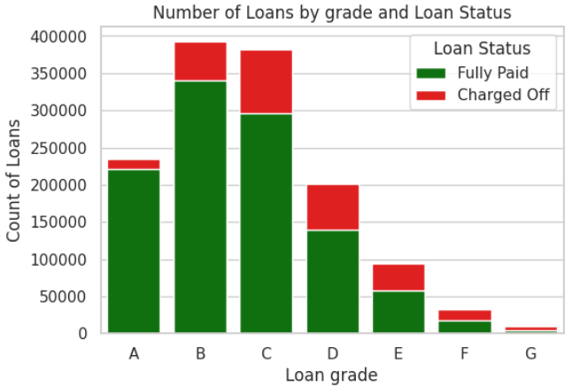
Description | LC assigned loan grade |  |  | Analyst input
 |  |  |  | 1. Although the data dictionary doesn't provide much insight about the loan grades, on exploring the variables it can be concluded that this variable has significance for classification and clustering. 2. Major proportion of loans of grades E, F and G are been charged off

grade | loan_status | count | Fully Pai/ Charged Off
A | ChargedOff | 14201 | 15.554467995 | Analyst suggestion
A | FullyPaid | 220889 |  | The grade of loans can turn out to be a useful column both for clustering and classification
B | ChargedOff | 52569 | 6.4709619738
B | FullyPaid | 340172
C | ChargedOff | 85649 | 3.4563976229
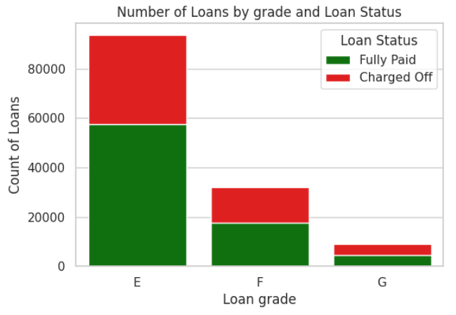
C | FullyPaid | 296037
D | ChargedOff | 61054 | 2.291397779
D | FullyPaid | 139899
E | ChargedOff | 36035 | 1.5988622173
E | FullyPaid | 57615
F | ChargedOff | 14491 | 1.2122696846
F | FullyPaid | 17567
G | ChargedOff | 4560 | 1.0026315789
G | FullyPaid | 4572

sub_grade
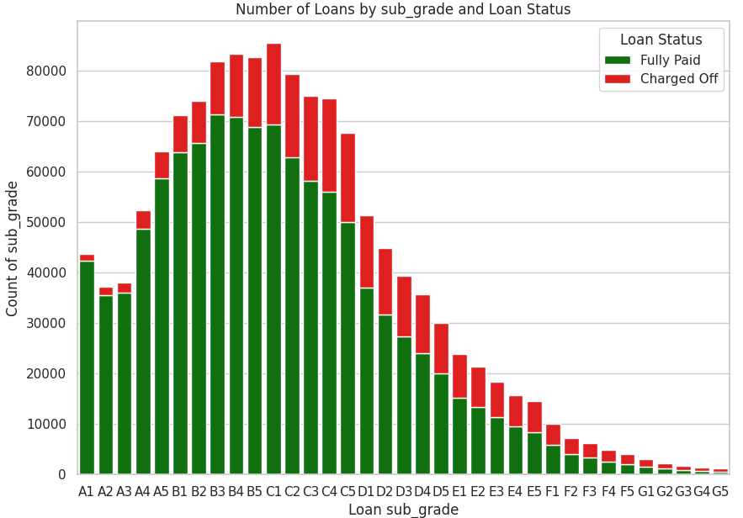
Description | LC assigned loan subgrade |  |  | Analyst input
 |  |  |  | 1. Although the data dictionary doesn't provide much insight about the loan grades, on exploring the variables it can be concluded that this variable has significance for classification and clustering. 2. But granularity from grade to subgrade might lead to over fitting. Also the average of fully paid/ charged off of sub grade is almost similar to grade. 3. This variable will lead to lot of dummy variables

grade | loan_status | count | Fully Pai/ Charged Off
A1 | ChargedOff | 1408 | 30.021306818
A1 | FullyPaid | 42270
A2 | ChargedOff | 1734 | 20.440599769
A2 | FullyPaid | 35444 |  | Analyst suggestion
A3 | ChargedOff | 2093 | 17.153846154 | Due to above reasons this variable can be dropped
A3 | FullyPaid | 35903
A4 | ChargedOff | 3587 | 13.562308336
A4 | FullyPaid | 48648
A5 | ChargedOff | 5379 | 10.898680052
A5 | FullyPaid | 58624
B1 | ChargedOff | 7415 | 8.5958192852
B1 | FullyPaid | 63738
B2 | ChargedOff | 8409 | 7.8029492211
B2 | FullyPaid | 65615
B3 | ChargedOff | 10624 | 6.7020896084
B3 | FullyPaid | 71203
B4 | ChargedOff | 12336 | 5.7444066148
B4 | FullyPaid | 70863
B5 | ChargedOff | 13785 | 4.9875226696
B5 | FullyPaid | 68753
C1 | ChargedOff | 16230 | 4.2676524954
C1 | FullyPaid | 69264
C2 | ChargedOff | 16412 | 3.8265293688
C2 | FullyPaid | 62801
C3 | ChargedOff | 16892 | 3.4398531849
C3 | FullyPaid | 58106
C4 | ChargedOff | 18546 | 3.0127790359
C4 | FullyPaid | 55875
C5 | ChargedOff | 17569 | 2.8454095281
C5 | FullyPaid | 49991
D1 | ChargedOff | 14270 | 2.5964260687
D1 | FullyPaid | 37051
D2 | ChargedOff | 13269 | 2.3799080564
D2 | FullyPaid | 31579
D3 | ChargedOff | 12008 | 2.2742338441
D3 | FullyPaid | 27309
D4 | ChargedOff | 11512 | 2.0894718555
D4 | FullyPaid | 24054
D5 | ChargedOff | 9995 | 1.9915957979
D5 | FullyPaid | 19906
E1 | ChargedOff | 8565 | 1.7727962639
E1 | FullyPaid | 15184
E2 | ChargedOff | 8026 | 1.6634687266
E2 | FullyPaid | 13351
E3 | ChargedOff | 7118 | 1.5831694296
E3 | FullyPaid | 11269
E4 | ChargedOff | 6304 | 1.4936548223
E4 | FullyPaid | 9416
E5 | ChargedOff | 6022 | 1.3940551312
E5 | FullyPaid | 8395
F1 | ChargedOff | 4217 | 1.364239981
F1 | FullyPaid | 5753
F2 | ChargedOff | 3264 | 1.2052696078
F2 | FullyPaid | 3934
F3 | ChargedOff | 2744 | 1.2186588921
F3 | FullyPaid | 3344
F4 | ChargedOff | 2327 | 1.0880962613
F4 | FullyPaid | 2532
F5 | ChargedOff | 1939 | 1.0335224342
F5 | FullyPaid | 2004
G1 | ChargedOff | 1434 | 1.089958159
G1 | FullyPaid | 1563
G2 | ChargedOff | 1047 | 1.035339064
G2 | FullyPaid | 1084
G3 | ChargedOff | 829 | 0.94692400483
G3 | FullyPaid | 785
G4 | ChargedOff | 655 | 0.95419847328
G4 | FullyPaid | 625
G5 | ChargedOff | 595 | 0.86554621849
G5 | FullyPaid | 515

home_ownership
Description | The home ownership status provided by the borrower during registration or obtained from the credit report. Our values are: RENT, OWN, MORTGAGE, OTHER |  |  |  |  | Analyst input
 |  |  |  |  |  | The number of rows with values Any, Other and None are very less compared to other values and carries not much relevance.

 |  |  |  |  |  | Analyst suggestion
home_ownership | count | home_ownership | loan_status | count | Charged off % | Replace values Any, Other and None with 1 variable 'Other' so that less dummy variables are created to be used in ML models
MORTGAGE | 665579 | ANY | ChargedOff | 56 | 20%
RENT | 534421 | ANY | FullyPaid | 230
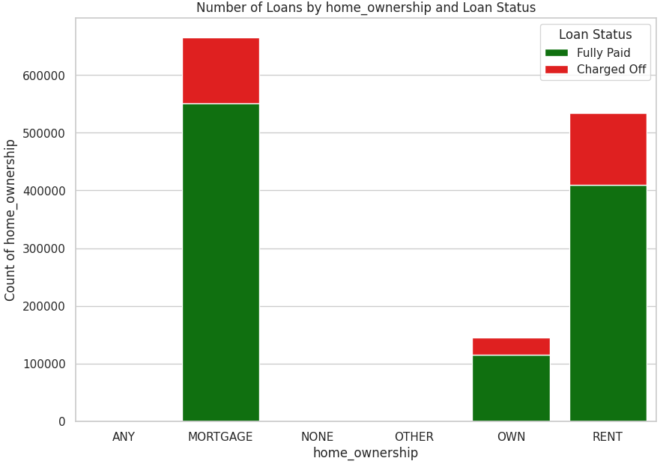
OWN | 144832 | MORTGAGE | ChargedOff | 114531 | 17%
ANY | 286 | MORTGAGE | FullyPaid | 551048
OTHER | 144 | NONE | ChargedOff | 7 | 15%
NONE | 48 | NONE | FullyPaid | 41
 |  | OTHER | ChargedOff | 27 | 19%
 |  | OTHER | FullyPaid | 117
 |  | OWN | ChargedOff | 29864 | 21%
 |  | OWN | FullyPaid | 114968
 |  | RENT | ChargedOff | 124074 | 23%
 |  | RENT | FullyPaid | 410347

annual_inc
Description | The self-reported annual income provided by the borrower during registration. |  |  |  |  | Analyst input
 |  |  |  |  |  | 1. Annual Income is an important variable that determines credit worthiness of a borrower. 2. As expected total current balance of all accounts is a right skewed distribution. More the balance in account, higher is the chance for the loan to be Fully Paid. The outliers shouldn't be treated. 3. Outliers: Customers with annual income > upper bound outliers have fully paid : charged off ratio of ~ 6:1

level_0 | loan_status | 0 | level_0 | loan_status | 0
count | Charged Off | 268559 | count | Fully Paid | 1076751
mean | Charged Off | 70400.743283 | mean | Fully Paid | 77705.945505
std | Charged Off | 65394.909259 | std | Fully Paid | 70934.960307 | Actions suggestion
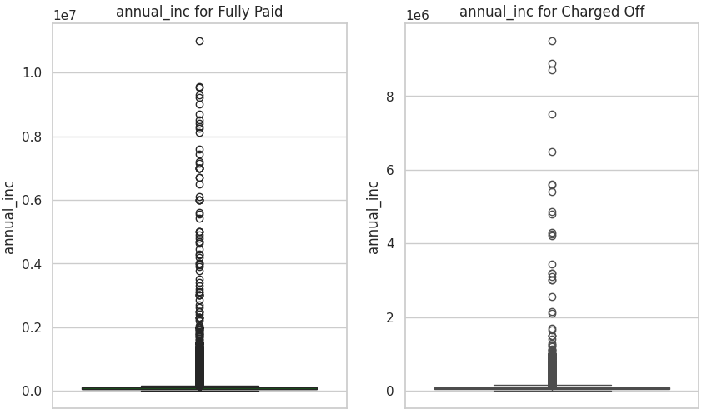
min | Charged Off | 0 | min | Fully Paid | 0 | 1. To use this variable for prediction, use the buckets created using percentile distribution 2. The annual_inc numerical variable can be used for clustering
0% | Charged Off | 0 | 0% | Fully Paid | 0
25% | Charged Off | 43000 | 25% | Fully Paid | 47000
50% | Charged Off | 60000 | 50% | Fully Paid | 65000
75% | Charged Off | 85000 | 75% | Fully Paid | 93000
100% | Charged Off | 9500000 | 100% | Fully Paid | 10999200 |  | Percentile distribution of the column
 |  |  |  |  |  |  | Percentile | Value | Difference | Buckets
max | Charged Off | 9500000 | max | Fully Paid | 10999200 |  | 0 | 0 | NaN | No Annual Income
median | Charged Off | 60000 | median | Fully Paid | 65000 |  | 5 | 28000 | 28000 | Low
 |  |  |  |  |  |  | 10 | 34000 | 6000
 |  |  |  |  |  |  | 15 | 38943.7 | 4943.7
 |  |  |  |  |  |  | 20 | 42000 | 3056.3
 |  |  |  |  |  |  | 25 | 45780 | 3780
 |  |  |  |  |  |  | 30 | 50000 | 4220
 |  |  |  |  |  |  | 35 | 53000 | 3000
 |  |  |  |  |  |  | 40 | 57000 | 4000
 |  |  |  |  |  |  | 45 | 60000 | 3000
 |  |  |  |  |  |  | 50 | 65000 | 5000
 |  |  |  |  |  |  | 55 | 70000 | 5000
 |  |  |  |  |  |  | 60 | 74000 | 4000
 |  |  |  |  |  |  | 65 | 80000 | 6000 | Medium
 |  |  |  |  |  |  | 70 | 85000 | 5000
 |  |  |  |  |  |  | 75 | 90000 | 5000
 |  |  |  |  |  |  | 80 | 100000 | 10000
 |  |  |  |  |  |  | 85 | 110000 | 10000
 |  |  |  |  |  |  | 90 | 125000 | 15000
 |  |  |  |  |  |  | 95 | 155000 | 30000 | High
 |  |  |  |  |  |  | 96 | 168000 | 13000
 |  |  |  |  |  |  | 96.5 | 175000 | 7000
 |  |  |  |  |  |  | 97 | 182208.76 | 7208.76
 |  |  |  |  |  |  | 97.5 | 198000 | 15791.24
 |  |  |  |  |  |  | 98 | 205000 | 7000
 |  |  |  |  |  |  | 98.5 | 227500 | 22500
 |  |  |  |  |  |  | 99 | 250000 | 22500
 |  |  |  |  |  |  | 99.5 | 325000 | 75000
 |  |  |  |  |  |  | 100 | 10999200 | 10674200 | Very High

verification_status
Description | Indicates if income was verified by LC, not verified, or if the income source was verified |  |  | Analyst input
 |  |  |  | The column Verification status doesn't show any corelation with loan status. We can drop this column

Verification Status | Count
Source Verified | 521273
Verified | 418336
Not Verified | 405701

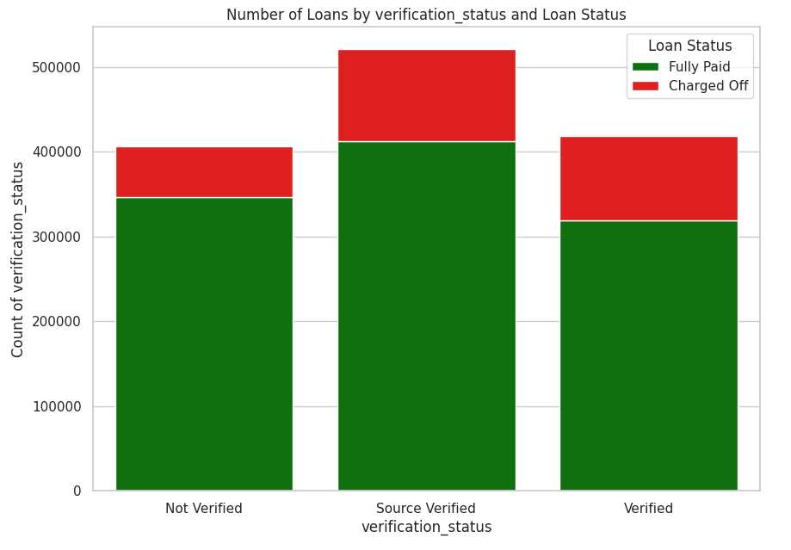
verification_status | loan_status | count
Not Verified | Charged Off | 59535 | 5.8144956748
Not Verified | Fully Paid | 346166
Source Verified | Charged Off | 109232 | 3.7721638348
Source Verified | Fully Paid | 412041
Verified | Charged Off | 99792 | 3.1920795254
Verified | Fully Paid | 318544

